How to upload a Space to JIRA
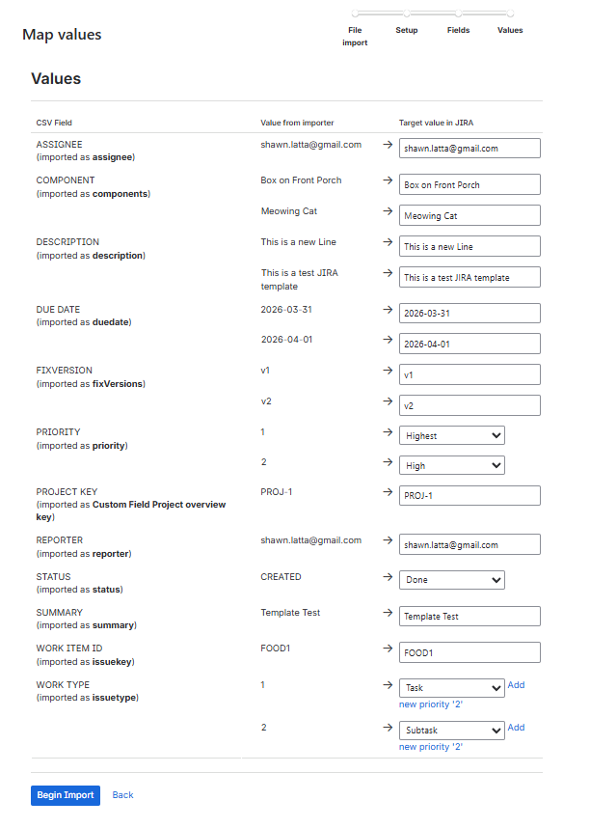
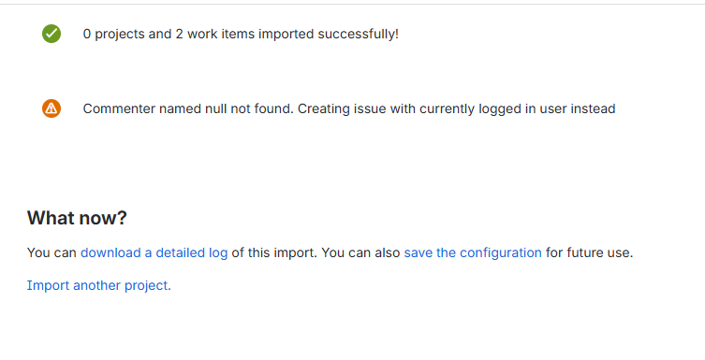
Uploading Space/Project Details into JIRA
Step 1: CSV File import
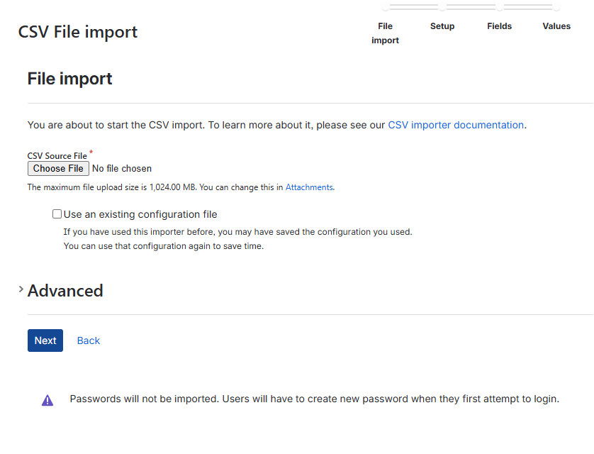

 | This is where you select the file containing your project specs.

 | If you have a previously developed template for a project completed, you can upload that template as a model.

 | Make sure to check the Advance to ensure your file encoding and delimiter is the same as the file itself.

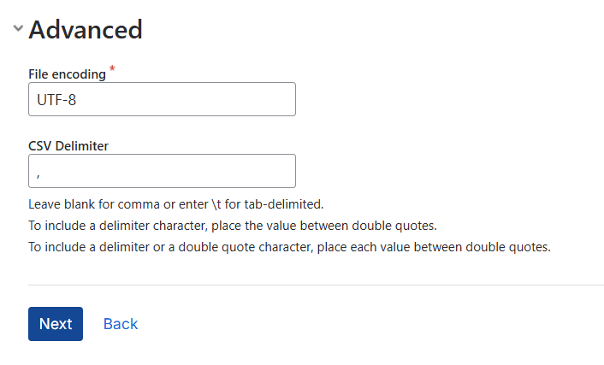

Step 2: Map Projects
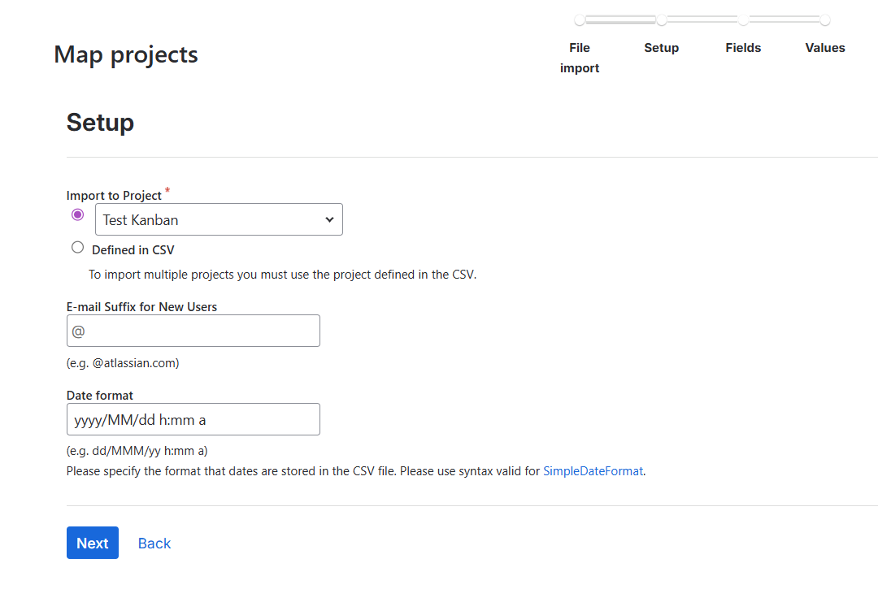

 |  | This step is the mapping to a project step. If you need to upload to multple projects, you can use the Defined in CSV mode.

 |  | If you are using a template to upload mulitple projects, the projects should have the same template.

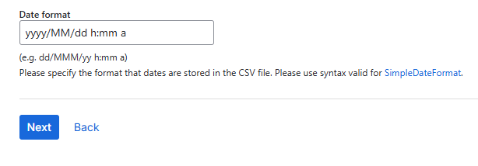

 | Make sure your date formatting is EXACT

 | yyyy-MM-dd is not the same as yyyy-MM-dd h:mm a

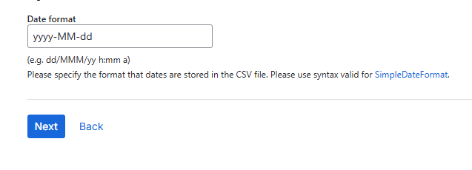
 |  | This is from developing a file in Excel. Notice the date difference.
 |  | Double check the date formatting in your .CSV.

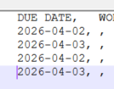

Step 3: Map Fields
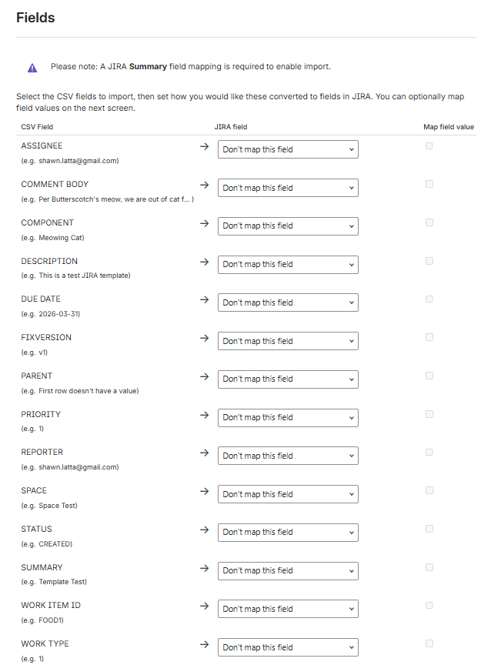

 | This is a screen showing how to map header columns in your .CSV to JIRA fields.

 | If you get the "Please note: A JIRA Summary field mapping is required to enable to import," you'll need to return to the CSV File import step.
 | Return to CSV File import

 | The examples in the e.g. sections of each field is what is in that respective column in the .CSV file.

 | Hit an error? You may hit an error as
 | For the CSV import to be successful, you must specify a CSV header row that corresponds to the Project key.
 | This means you are missing a Project Key columns.
 | For the CSV import to be successful, you must specify a CSV header row that corresponds to the Project type. Available project types are: software, business.
 | JIRA needs a type. Example, if working on a systems analyst and doing configuration, then I would choose software.

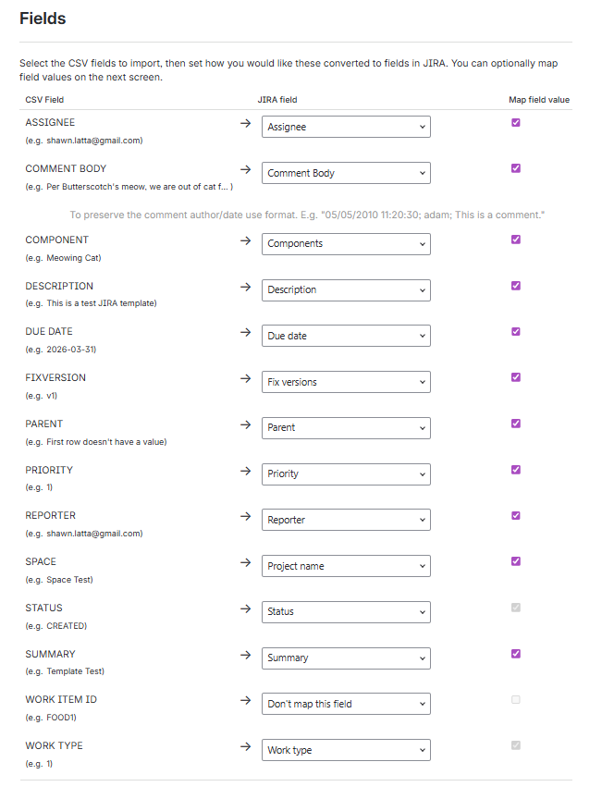

 | Thuis creenshot shows the chosen mapping of custom fields to JIRA fields.

 | You .CSV file may have columns you do not need to use in JIRA. You can choose not to map the field.

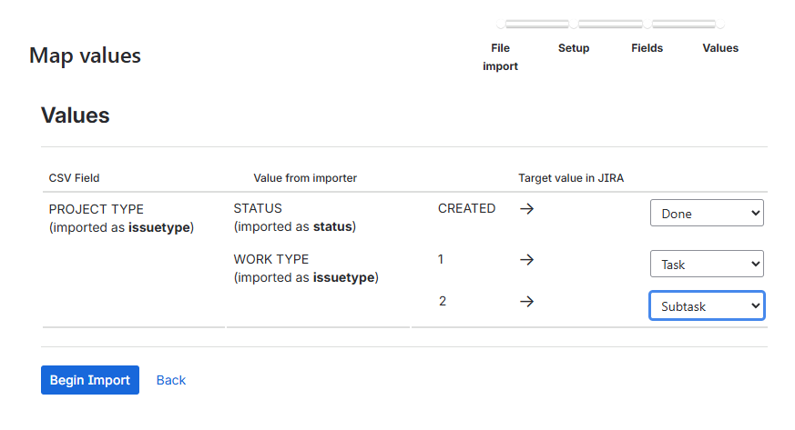

 |  |  | After importing the .CSV headers, you may need to further define further values.

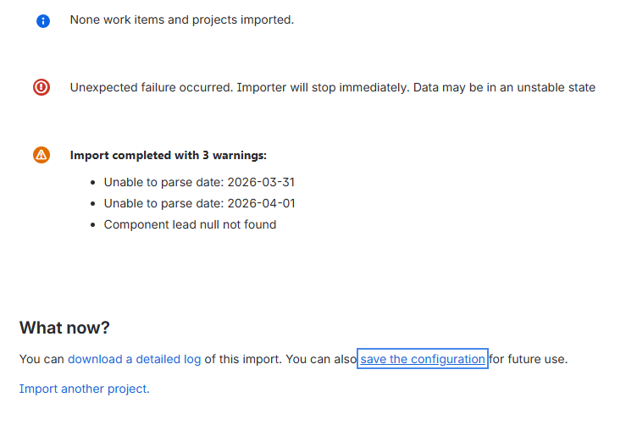

 |  | In your file does not import into the system, review the erros messages and the notes.

 |  | For this screenshot, the dates provided in the file were not the proper format.

Upload to Data Mapping
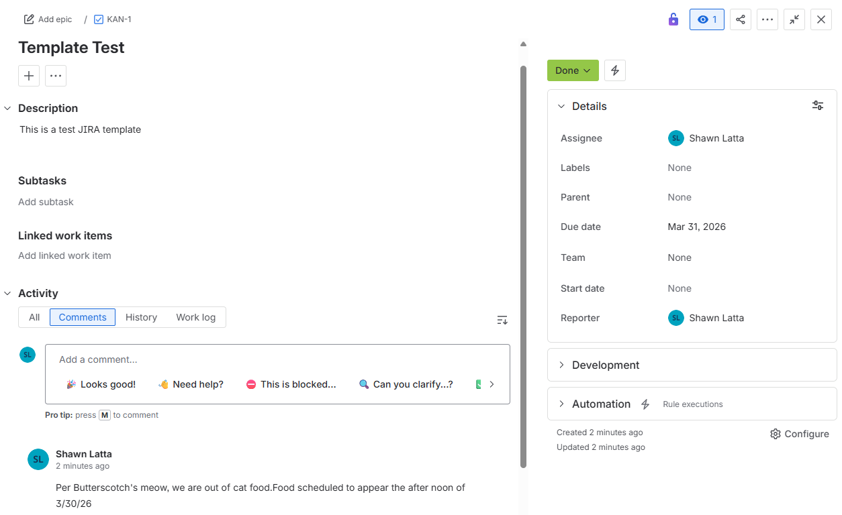
Upload to Data Mapping
 | CSV Code at Upload | Item #1 | Item #2 | Mapping to | Seen In JIRA | Template Code | Line Hierarchy
 | SUMMARY | Template Test | Template Test | summary | Project Task Name (1) | { | 1
 | SPACE | Test Kanban | Test Kanban | project.name | SPACE: Test Kanban | "config.version" : "2.0", | 1
 | PROJECT KEY | KAN | KAN | project.key | Task ID Number (3) | "config.project.from.csv" : "true", | 1
 | PROJECT TYPE | SOFTWARE | SOFTWARE | SOFTWARE |  | "config.encoding" : "UTF-8", | 1
 | ASSIGNEE | shawn.latta@gmail.com | shawn.latta@gmail.com | assignee | Assignee (5) | "config.file.id" : "f10313cf-0c74-4dd9-a829-8f1eb83463b4", | 1
 | REPORTER | shawn.latta@gmail.com | shawn.latta@gmail.com |  |  | "config.email.suffix" : "@", | 1
 | WORK TYPE | 1 | 2 |  |  | "config.file.name" : "JIRA Import Template.csv", | 1
 | DESCRIPTION | This is a test JIRA template | This is a new Line | description | Description (8) | "config.field.mappings" : | 1
 | PRIORITY | 1 | 2 | priority | Priority (9) | { | 2
 | FIXVERSION | v1 | v2 | fixVersions |  | "SPACE" : { | 2
 | COMPONENT | Meowing Cat | Box on Front Porch | components |  | "jira.field" : "project.name", | 3
 | DUE DATE | 2026-03-31 | 2026-04-01 | duedate | Due Date(12) | "userChanged" : "true", | 3
 | WORK ITEM ID | FOOD1 | FOOD2 |  |  | "manualMapping" : "true" | 3
 | COMMENT BODY | Per Butterscotch's meow, we are out of cat food. Food scheduled to appear the after noon of 3/30/26 | Food scheduled to appear the after noon of 3/30/26 | comment | Comments (14) | }, | 2
 | PARENT |  | FOOD1 |  |  | "STATUS" : { | 2
 | STATUS | CREATED | CREATED | status |  | "jira.field" : "status", | 3
 |  |  |  |  |  | "userChanged" : "true", | 3
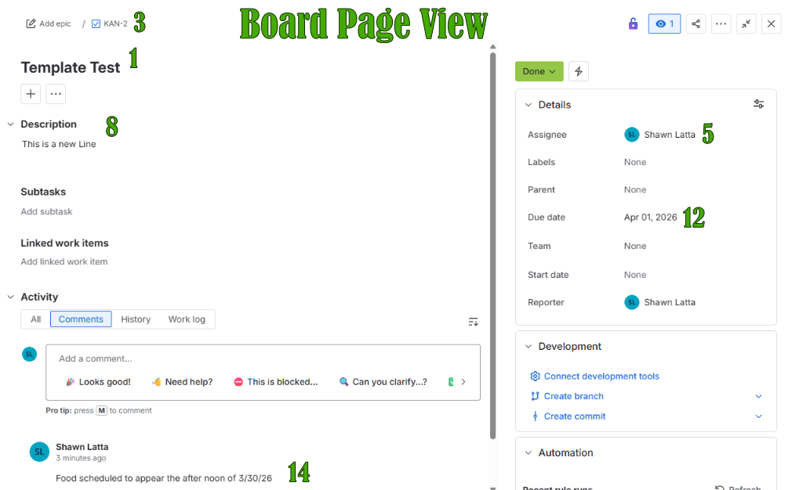
 |  |  |  |  |  | "manualMapping" : "true" | 3
 |  |  |  |  |  | }, | 2
 |  |  |  |  |  | "FIXVERSION" : { | 2
 |  |  |  |  |  | "jira.field" : "fixVersions", | 3
 |  |  |  |  |  | "userChanged" : "true", | 3
 |  |  |  |  |  | "manualMapping" : "true" | 3
 |  |  |  |  |  | }, | 2
 |  |  |  |  |  | "SUMMARY" : { | 2
 |  |  |  |  |  | "jira.field" : "summary", | 3
 |  |  |  |  |  | "userChanged" : "true", | 3
 |  |  |  |  |  | "manualMapping" : "true" | 3
 |  |  |  |  |  | }, | 2
 |  |  |  |  |  | "DESCRIPTION" : { | 2
 |  |  |  |  |  | "jira.field" : "description", | 3
 |  |  |  |  |  | "userChanged" : "true", | 3
 |  |  |  |  |  | "manualMapping" : "true" | 3
 |  |  |  |  |  | }, | 2
 |  |  |  |  |  | "ASSIGNEE" : { | 2
 |  |  |  |  |  | "jira.field" : "assignee", | 3
 |  |  |  |  |  | "userChanged" : "true", | 3
 |  |  |  |  |  | "manualMapping" : "true" | 3
 |  |  |  |  |  | }, | 2
 |  |  |  |  |  | "DUE DATE" : { | 2
 |  |  |  |  |  | "jira.field" : "duedate", | 3
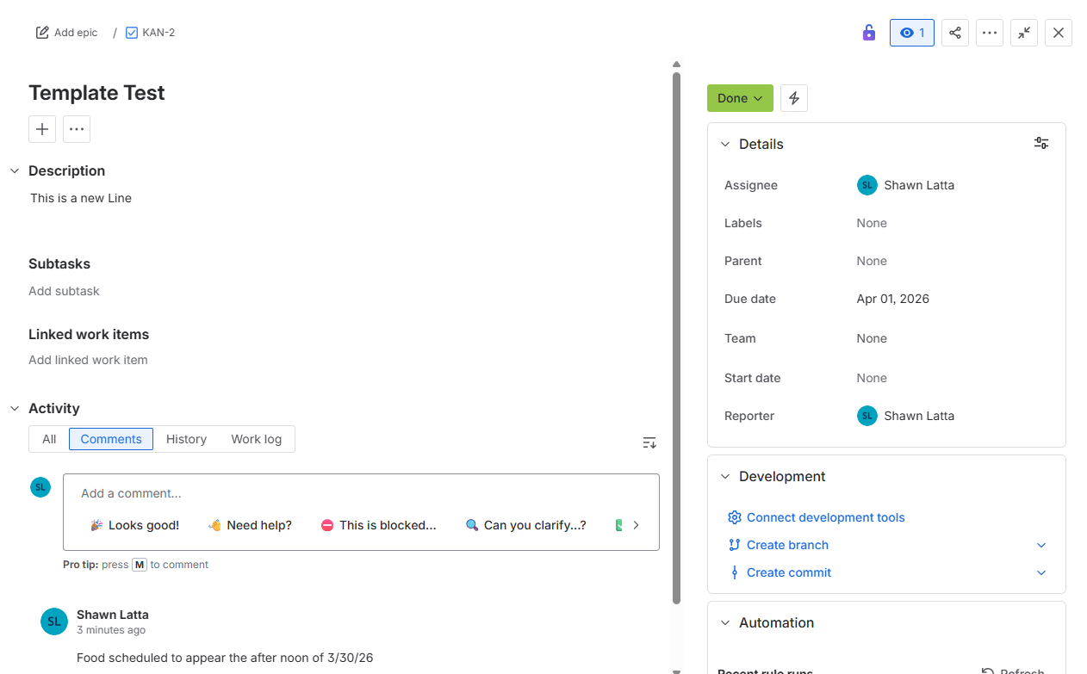
 |  |  |  |  |  | "userChanged" : "true", | 3
 |  |  |  |  |  | "manualMapping" : "true" | 3
 |  |  |  |  |  | }, | 2
 |  |  |  |  |  | "PROJECT TYPE" : { | 2
 |  |  |  |  |  | "jira.field" : "project.type", | 3
 |  |  |  |  |  | "userChanged" : "true", | 3
 |  |  |  |  |  | "manualMapping" : "true" | 3
 |  |  |  |  |  | }, | 2
 |  |  |  |  |  | "PRIORITY" : { | 2
 |  |  |  |  |  | "jira.field" : "priority", | 3
 |  |  |  |  |  | "userChanged" : "true", | 3
 |  |  |  |  |  | "manualMapping" : "true" | 3
 |  |  |  |  |  | }, | 2
 |  |  |  |  |  | "COMPONENT" : { | 2
 |  |  |  |  |  | "jira.field" : "components", | 3
 |  |  |  |  |  | "userChanged" : "true", | 3
 |  |  |  |  |  | "manualMapping" : "true" | 3
 |  |  |  |  |  | }, | 2
 |  |  |  |  |  | "COMMENT BODY" : { | 2
 |  |  |  |  |  | "jira.field" : "comment", | 3
 |  |  |  |  |  | "userChanged" : "true", | 3
 |  |  |  |  |  | "manualMapping" : "true" | 3
 |  |  |  |  |  | }, | 2
 |  |  |  |  |  | "PROJECT KEY" : { | 2
 |  |  |  |  |  | "jira.field" : "project.key", | 3
 |  |  |  |  |  | "userChanged" : "true", | 3
 |  |  |  |  |  | "manualMapping" : "true" | 3
 |  |  |  |  |  | } | 2
 |  |  |  |  |  | }, | 2
 |  |  |  |  |  | "config.csv.file.id" : null, | 1
 |  |  |  |  |  | "config.value.mappings" : | 1
 |  |  |  |  |  | { | 2
 |  |  |  |  |  | "SPACE" : { | 2
 |  |  |  |  |  | "Test Kanban" : "Test Kanban" | 3
 |  |  |  |  |  | }, | 2
 |  |  |  |  |  | "STATUS" : { | 2
 |  |  |  |  |  | "CREATED" : "10007" | 3
 |  |  |  |  |  | }, | 3
 |  |  |  |  |  | "FIXVERSION" : { | 2
 |  |  |  |  |  | "v1" : "v1", | 3
 |  |  |  |  |  | "v2" : "v2" | 3
 |  |  |  |  |  | }, | 3
 |  |  |  |  |  | "SUMMARY" : { | 2
 |  |  |  |  |  | "Template Test" : "Template Test" | 3
 |  |  |  |  |  | }, | 3
 |  |  |  |  |  | "DESCRIPTION" : { | 2
 |  |  |  |  |  | "This is a test JIRA template" : "This is a test JIRA template", | 3
 |  |  |  |  |  | "This is a new Line" : "This is a new Line" | 3
 |  |  |  |  |  | }, | 3
 |  |  |  |  |  | "ASSIGNEE" : { | 2
 |  |  |  |  |  | "shawn.latta@gmail.com" : "shawn.latta@gmail.com" | 3
 |  |  |  |  |  | }, | 3
 |  |  |  |  |  | "DUE DATE" : { | 2
 |  |  |  |  |  | "2026-04-01" : "2026-04-01", | 3
 |  |  |  |  |  | "2026-03-31" : "2026-03-31" | 3
 |  |  |  |  |  | }, | 3
 |  |  |  |  |  | "PROJECT TYPE" : { | 2
 |  |  |  |  |  | "SOFTWARE" : "SOFTWARE" | 3
 |  |  |  |  |  | }, | 3
 |  |  |  |  |  | "PRIORITY" : { | 2
 |  |  |  |  |  | "1" : "1", | 3
 |  |  |  |  |  | "2" : "2" | 3
 |  |  |  |  |  | }, | 2
 |  |  |  |  |  | "COMPONENT" : { | 2
 |  |  |  |  |  | "Meowing Cat" : "Meowing Cat", | 3
 |  |  |  |  |  | "Box on Front Porch" : "Box on Front Porch" | 3
 |  |  |  |  |  | }, | 2
 |  |  |  |  |  | "COMMENT BODY" : { | 2
 |  |  |  |  |  | "Food scheduled to appear the after noon of 3/30/26" : "Food scheduled to appear the after noon of 3/30/26", | 3
 |  |  |  |  |  | "Per Butterscotch's meow, we are out of cat food.\n\nFood scheduled to appear the after noon of 3/30/26" : "Per Butterscotch's meow, we are out of cat food.Food scheduled to appear the after noon of 3/30/26" | 3
 |  |  |  |  |  | }, | 2
 |  |  |  |  |  | "PROJECT KEY" : { | 2
 |  |  |  |  |  | "KAN" : "KAN" | 3
 |  |  |  |  |  | }, | 2
 |  |  |  |  |  | }, | 1
 |  |  |  |  |  | "config.delimiter" : ",", | 1
 |  |  |  |  |  | "config.project" : | 1
 |  |  |  |  |  | { | 2
 |  |  |  |  |  | "project.type" : "", | 2
 |  |  |  |  |  | "project.key" : "", | 2
 |  |  |  |  |  | "project.description" : null, | 2
 |  |  |  |  |  | "project.url" : null, | 2
 |  |  |  |  |  | "project.name" : "", | 2
 |  |  |  |  |  | "project.lead" : null | 2
 |  |  |  |  |  | }, | 2
 |  |  |  |  |  | "config.date.format" : "yyyy-MM-dd" | 1
 |  |  |  |  |  | } | 1

Using Notepad Plus
Using Notepad Plus

 | I use Notepad++ as my prefered text editor.

 | I always open a .csv file in my text editor to confirm spacing or make updates to a flat file I am not able to make in Excel.

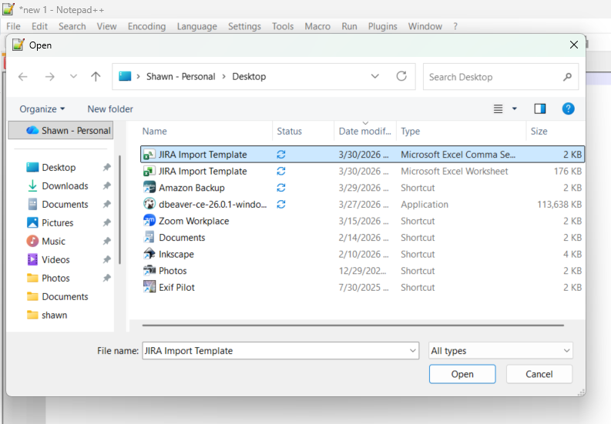
 | Opening a file in Notepad++

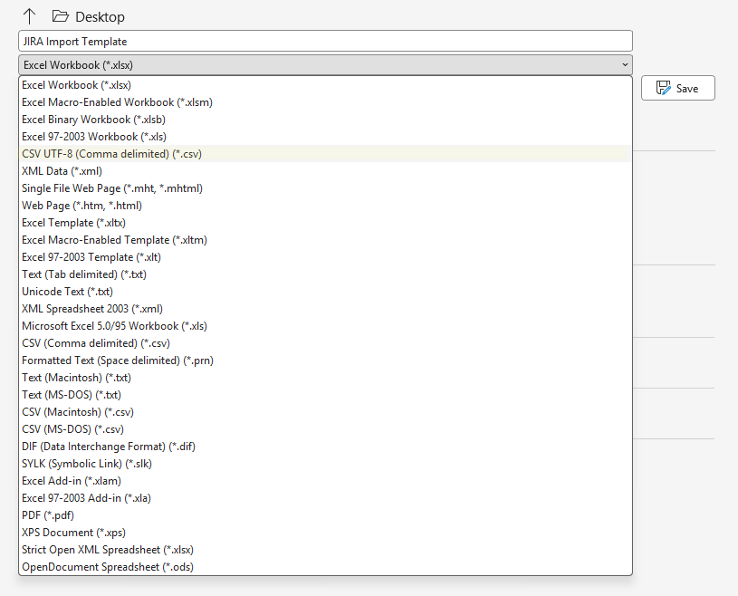
 | One items I found to cause issues is the formatting of a file. System can be picky if the
 | encoding of a file doesn't match the encoding of the system is expecting. This
 | can be traced to how a file was saved in Excel.

 | Notice how in the drop down for saving Excel files, there are four types of *.csv files to save in.
 | If you are not careful, the encoding may not match the expected coding.

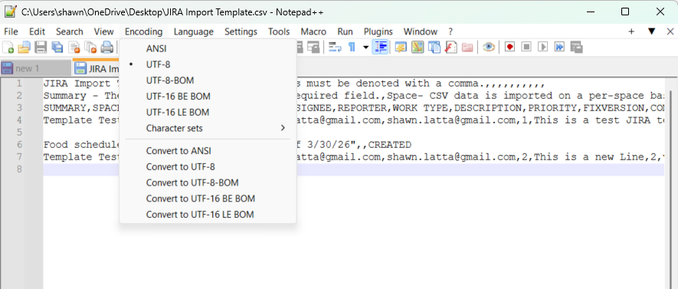
 | In addition to any manual changes I need to make, I will also
 | open a file in Notepad++ to check and/or confirm the encoding.

 | I can view a file in mutliple encoding standards as well as change the standard.

